Use_Case
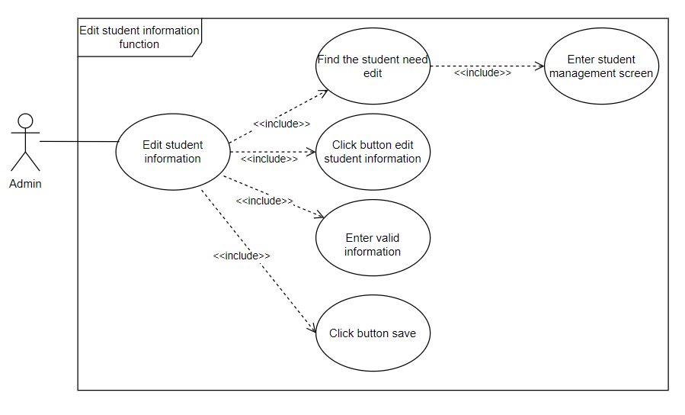
6.4.2.Màn hình thêm thông tin sinh viên

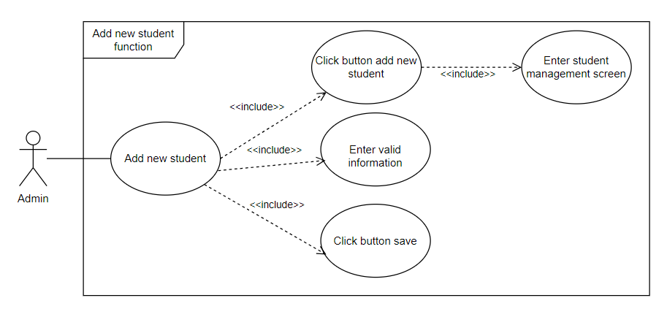

6.4.3. Màn hình sửa thông tin sinh viên

Class_Diagram
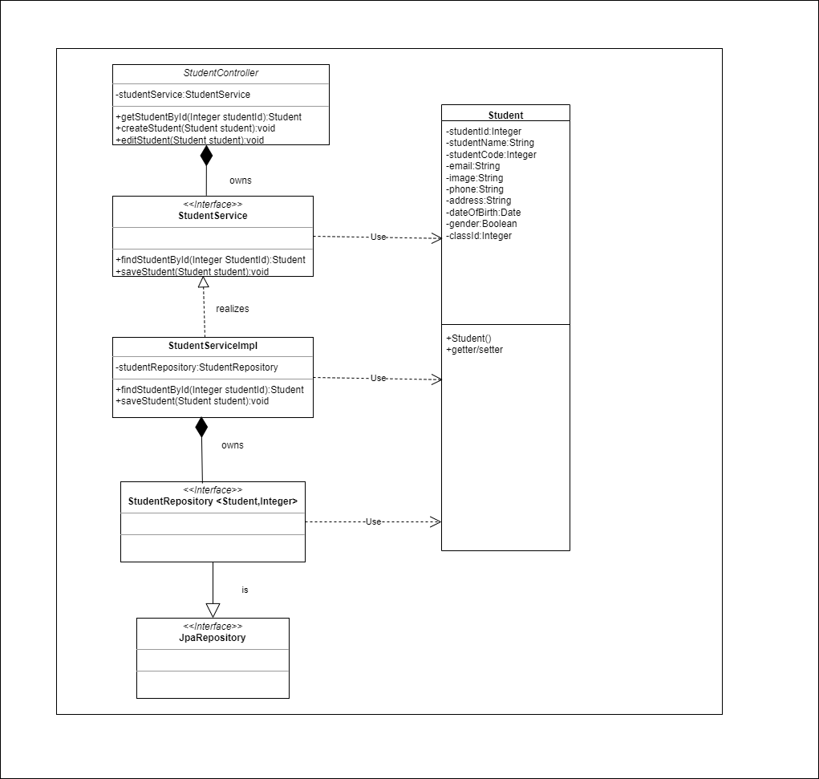
6.4.2. Màn hình thêm thông tin sinh viên
6.4.3. Màn hình sửa thông tin sinh viên

Sequence_Diagram
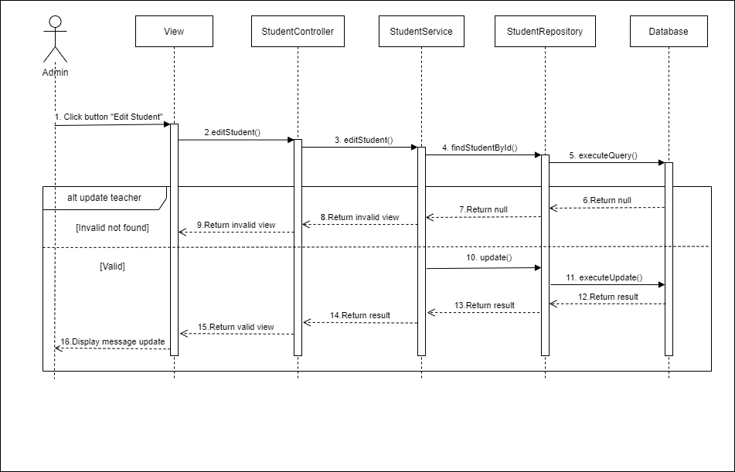
6.4.2. Màn hình thêm thông tin sinh viên

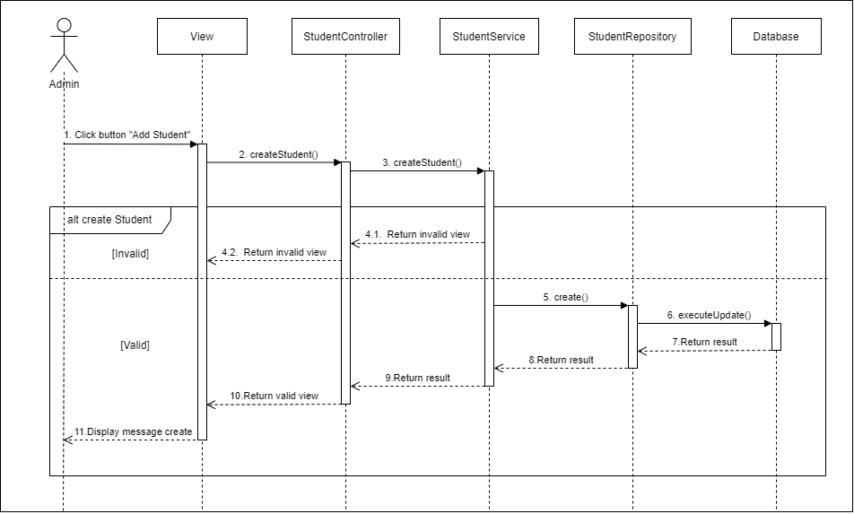

6.4.3. Màn hình sửa thông tin sinh viên

